Sheet1
 |  | QUESTION 1

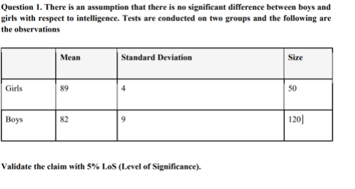
girls |  |  | boys

mean | 89 |  | mean | 82
st. deviation | 4 |  | st. deviation | 9
size (n) | 50 |  | size (n) | 120
significance value | 0.05 |  | significance value | 0.05

t stats | 0.610180794

D.O.F | 168
critical t value | ±1.976 |  | t calculated value is (0.610<1.976), so we fail to reject the null hypothesis

t<1.976, you can conclude that there is no significant difference in intelligence between boys and girls.

 |  |  | QUESTION 2

observed(O) |  |  |  |  | expected (E)

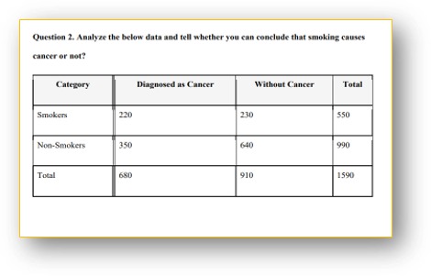
CATEGORY | DIAGNOSED AS CANCER | WITHOUT CANCER | TOTAL |  | CATEGORY | DIAGNOSED AS CANCER | WITHOUT CANCER

smokers | 220 | 230 | 550 |  | smokers | 239.29 | 310.71
non - smokers | 350 | 640 | 990 |  | non - smokers | 430.71 | 559.29
total | 670 | 870 | 1540

x² | 49.3
d.f | 1 |  |  |  | category | diagnosed as cancer | without cancer
p- value | 2.20E-12
chi.sq.test | 2.20E-12 |  |  |  | smokers | 1.554371002 | 20.96715928
 |  |  |  |  | non- smokers | 15.12556266 | 11.64842182

